1. Title Page
Instacart Data Analysis

Project Name: Instacart Data Analysis
Date: 30.10.2024
Analyst Name: Haoyu Zhao

Contents:
Population Flow
Consistency checks
Wrangling steps
Column derivations
Visualizations
Recommendations

Data Source:
"The Instacart Grocery Shopping Dataset 2017", Accessed from https://www.instacart.com/datasets/grocery-shopping-2017 on November 10, 2022

Data Citation:
Customer data and the “prices” column in the products data set were fabricated for the purpose of this course.

2. Population Flow
Title page

Population flow

Exclusion flag
Condition: max_order < 5
Obervations to be removed: 1,440,045
Final total count of order_products_all: 30,959,687

Orders_products_combined
Orders_products_merged
Orders_products_all

Total: 32,399,731
Total: 32,434,488
Total: 32,399,731

1.) The grey boxes in the first row of the population flow represent the original data sets as they were when you downloaded them. In the Total fields you need to add the count of the rows when you imported the data set into Jupyter.
2.) The second row of boxes (coloured) represents the data sets after you manipulated them, e.g., removed missing values and duplicates. In the Total fields you need to add the count of the rows after conducting these operations. This offers a visual oveview of how the data flows throughout the data consistency checks.
3.) The third row, where also the arrows are coloured, represents the merges you performed between the datasets. In the Total fields you need to add the count of the rows in the merged datasets, so that you end up with the final dataset (in the red box). Keep in mind the final dataset should be without exclusions (based on the exclusion flag).

3. Consistency checks
 |  |  |  | Title page
Consistency checks

Dataset | Missing values | Missing values treatment | Duplicates
orders | 206209 missing values in the 'days_since_prior_order' column | created a new column that flaged order numbers as False/True | No duplicates
products | 16 missing values in the 'product_name' column | Deleted rows | 5 duplicates, deleted
orders_products_prior | None | None | No duplicates
customers | None | None | No duplicates

4. Wrangling steps
 |  |  |  | Title page
Wrangling steps

Columns dropped | Columns renamed | Columns' type changed | Comment/Reason
 |  | order_id | data type change, integer to string
 |  | user_id | data type change, integer to string
 | order_dow to orders_day_of_week |  | rename to a more intuive name
Unnamed : 0.1/0 |  |  | not needed
_merge |  |  | not needed
 | First Name to first_name |  | maintain naming convention
 | Surnam to surname |  | maintain naming convention
 | Gender to gender |  | maintain naming convention
 | STATE to state |  | maintain naming convention
 | Age to age |  | maintain naming convention
 | fam_status to family_status |  | rename to a more intuive name
 |  | first_name | data type change, mixed to string

5. Column derivations
 |  |  |  | Title page

Column derivations and aggregations

Dataset | New column | Column/s it was derived from | Conditions
orders | first_order | days_since_prior_order | NaN
ords_prods_merge | price_range | prices | if prices <= 5 then 'low-range product' if prices >5 & <= 15 then 'mid-range product' if prices > 15 then 'high-range product' else 'not enough data'
ords_prods_merge | busiest_day | orders_day_of_week | if value == 0 then 'busiest day' if value == 4 then 'least busy' else 'regularly busy'
ords_prods_merge | busiest_days | orders_day_of_week | if value == 0 or 1 then 'busiest days' if value == 3 or 4 then 'slowest days' else 'regularly busy'
ords_prods_merge | busiest_period_of_day | hour_of_day | if value in [10, 11,14,15,13,12,16,9] then 'Most orders' if value in [23,6,0,1,5,2,4,3] then 'Fewest orders' else 'Average orders'
ords_prods_merge | loyalty_flag | max_order | if value > 40 then 'loyal customer' if value <= 40 & > 10 then 'regular customer' if value < 10 then 'new customer'
ords_prods_merge | average_spend | prices | average price per customer
ords_prods_merge | spending_flag | average_spend | if value > 10 then 'low spender' if value >= 10 then 'high customer'
ords_prods_merge | order_frequency_flag | customer_frequency | if value < 20 then 'non_frequent_customer' if value <= 20 & > 10 then 'regular customer' if value > 10 then 'frequent customer'
orders_products_customers | region | state | State defined into regions according to this List of regions of the United States
orders_products_customers | activity_flag | max_order | if value < 5 then 'low-activity customer' if value >= 5 then 'high-activity customer'
low_activity_excluded | income_group | income | if value > 128081 then 'high income' if value >= 67286 & < 128081 then 'middle income' if value < 67286 then 'low income'
low_activity_excluded | age_group | age | if value > 59 then 'older adult' if value > 44 & <= 59 then 'middle-aged adult' if value > 29 & <= 44 then 'adult' if value <= 29 then 'young adult'
low_activity_excluded | dependants_flag | n_dependants | if value == 0 then 'no dependants' if value >= 1 then 'has dependants'

first_order |  | price_range
False 3214873 |  | Mid-range product 652638
True 206209 |  | Low-range product 338018
Name: count, dtype: int64 |  | High range 9344
 |  | Name: count, dtype: int64

busiest_day |  | busiest_days
Regularly busy 22413231 |  | Regularly busy 12914068
Busiest day 6203329 |  | Busiest days 11862627
Least busy 3783172 |  | Slowest days 7623037
Name: count, dtype: int64 |  | Name: count, dtype: int64

busiest_period_of_day |  | loyalty_flag
Most orders 21114733 |  | Regular customer 15874128
Average orders 9996048 |  | Loyal customer 10282763
Fewest orders 1288951 |  | New customer 6242841
Name: count, dtype: int64 |  | Name: count, dtype: int64

spending_flag |  | order_frequency_flag
Low spender 32280013 |  | Frequent customer 21556644
High spender 119719 |  | Regular customer 7207340
Name: count, dtype: int64 |  | Non-frequent customer 3635743
 |  | NaN 5
 |  | Name: count, dtype: int64

activity_flag |  | income_group
high-activity customer 30959687 |  | Medium income 15480080
low-activity customer 1440045 |  | High income 7739805
Name: count, dtype: int64 |  | Low income 7739802
 |  | Name: count, dtype: int64

age_group |  | dependants_flag
Older adult 10572857 |  | has dependants 23221179
Middle-aged adult 7309871 |  | no dependants 7738508
Adult 7260327 |  | Name: count, dtype: int64
Young adult 5816632
Name: count, dtype: int64

6. Visualizations
 |  |  |  |  |  | Title page

Visualisations

Question 1:
What are the busiest days of the week and hours of the day?

Commentary
Saturday and Sunday are the busiest day of the week. Tuesday and Wednesday are the least busy days of the week.
The rush hours of the day is from 9:00 to 17:00.
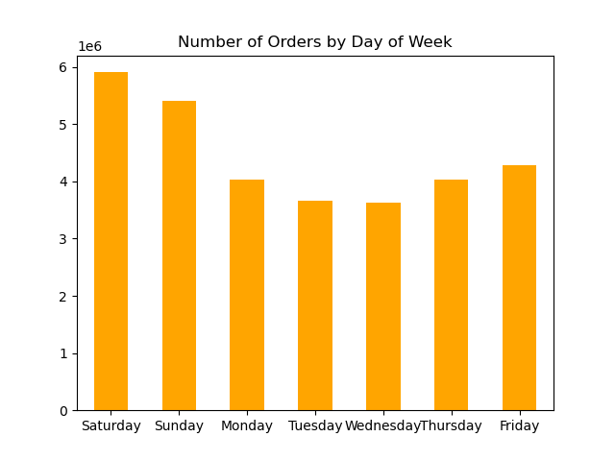


Question 2: |  |  |  |  |  |  | Question 3:
Are there particular times of day when people spend the most money? |  |  |  |  |  |  | Are there certain products that are more popular than others?

Commentary |  |  |  |  |  |  | Commentary
Sales are higher in the early morning, but there is a dip between 9:00 and 10:00. |  |  |  |  |  |  | The bar chart shows the best seller products come from produce.
 |  |  |  |  |  |  | The next most ordered from departments are dairy/eggs, snacks, beverages, and frozen.
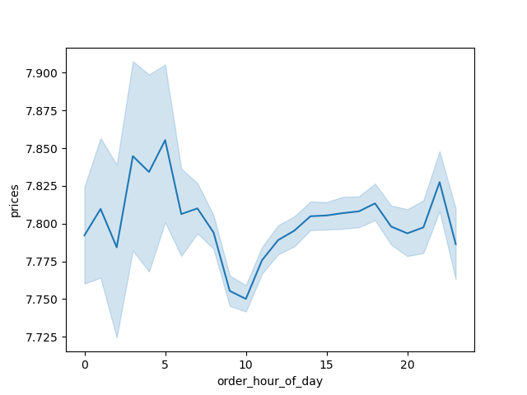
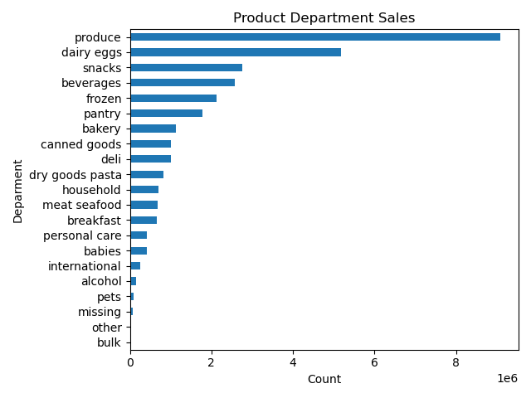

 |  |  |  |  |  | It seems to be no difference in spending patterns by department for each age group, income group or region.
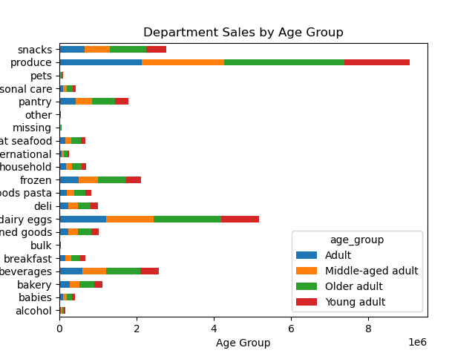
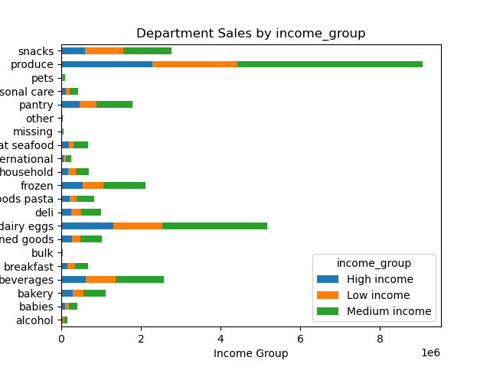
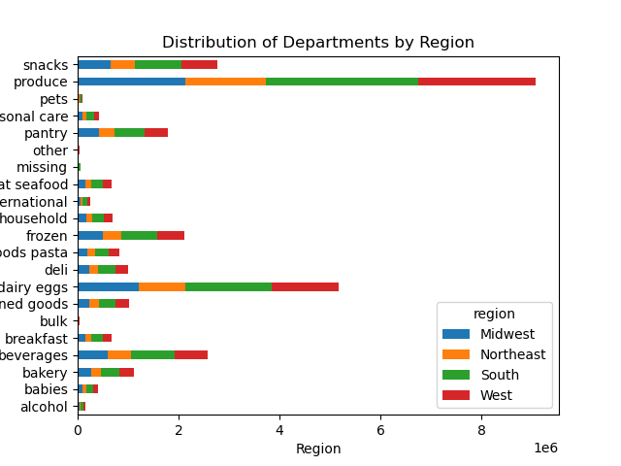

 | Question 4:
 | What is the distribution among users as to how often they return to Instacart?

 | Commentary
 | Regular and loyal customers contribute more to sales. Most customers are older adult (45-59 years).

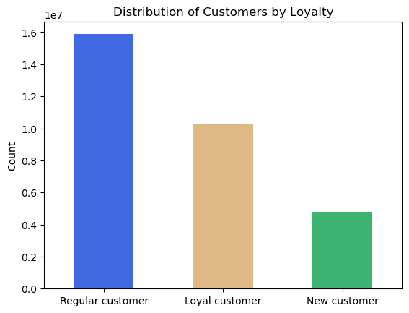
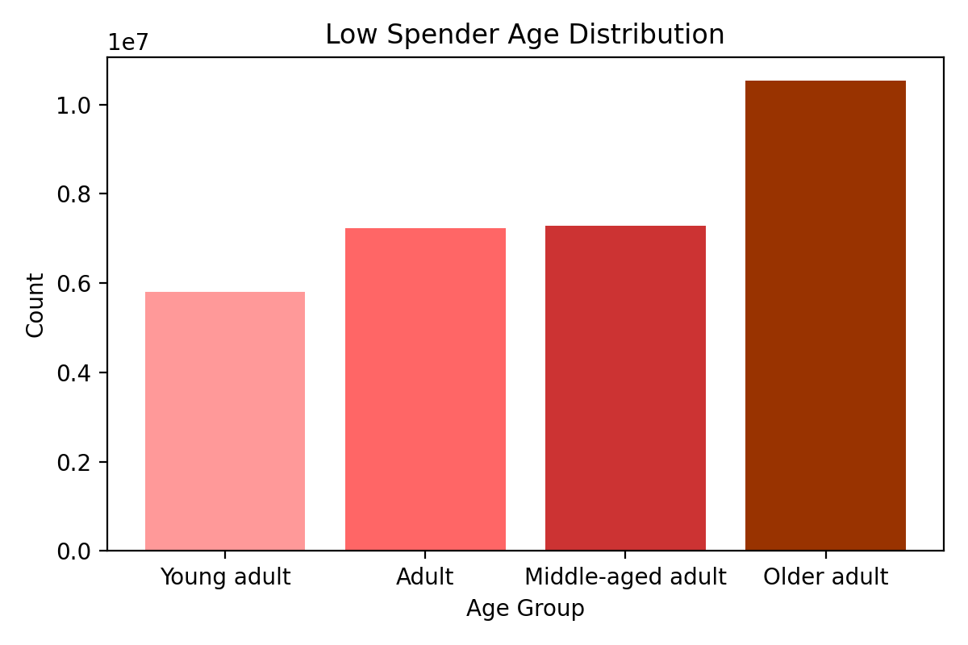

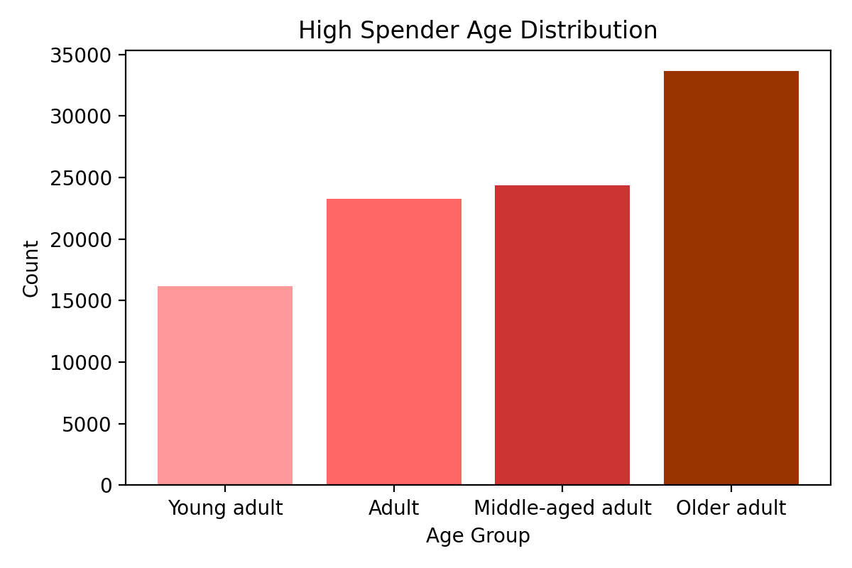

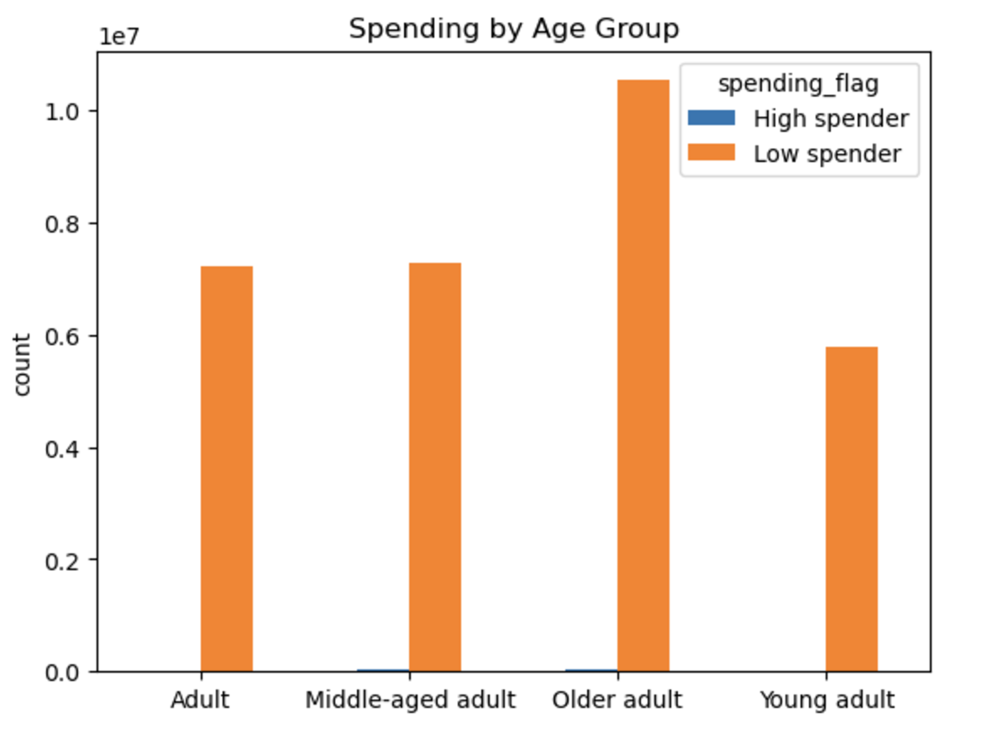
 | Question 5:
 | Are there differences in ordering habits based on loyalty status?

 | Commentary
 | Obviously, most customers are considered to be low spenders.

 | Question 6:
 | Are there differences in ordering habits based on region?

 | Commentary |  |  |  |  |  | More customers have dependants in all regions than customers without dependants.
 | Total Product Orders are more in south and west regions, may be due to high population.
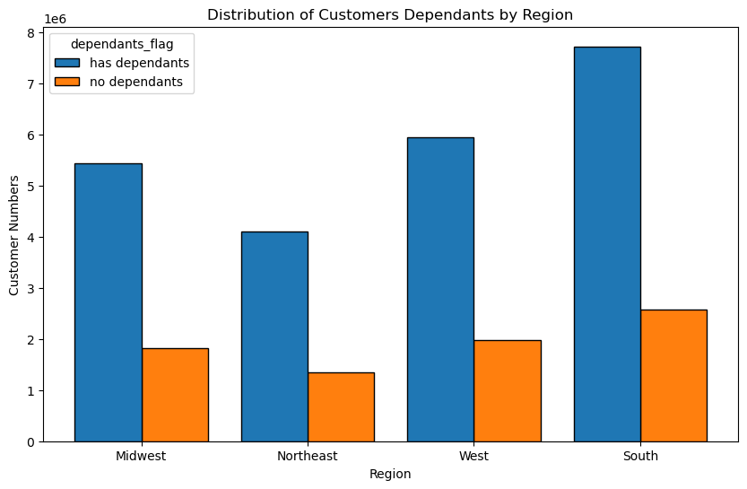

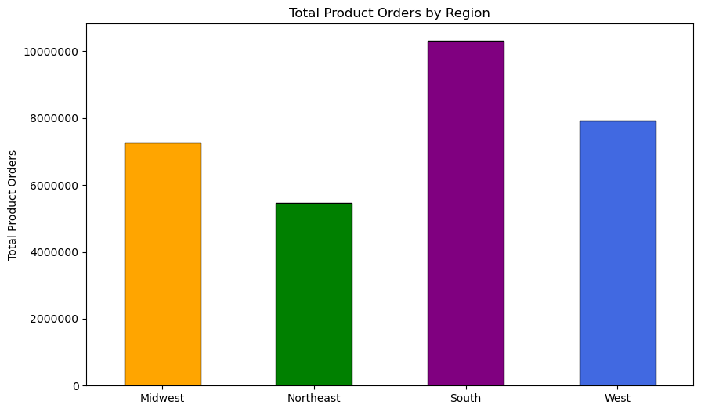

 |  | Married People contribute to the maximun number of cutomers in all regions. |  |  | Medium Income group contributes to the maximun number of customers across all regions. |  |  | Older Adult group contributes to the maximun number of customers across all regions

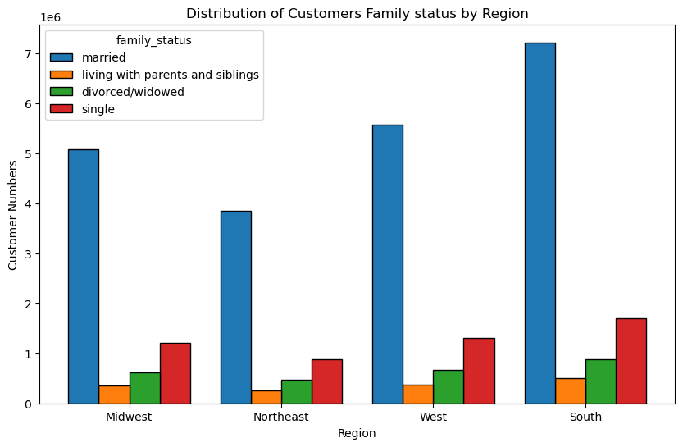
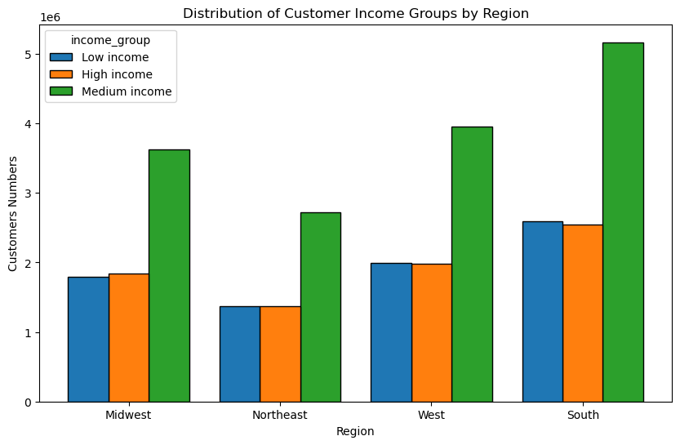
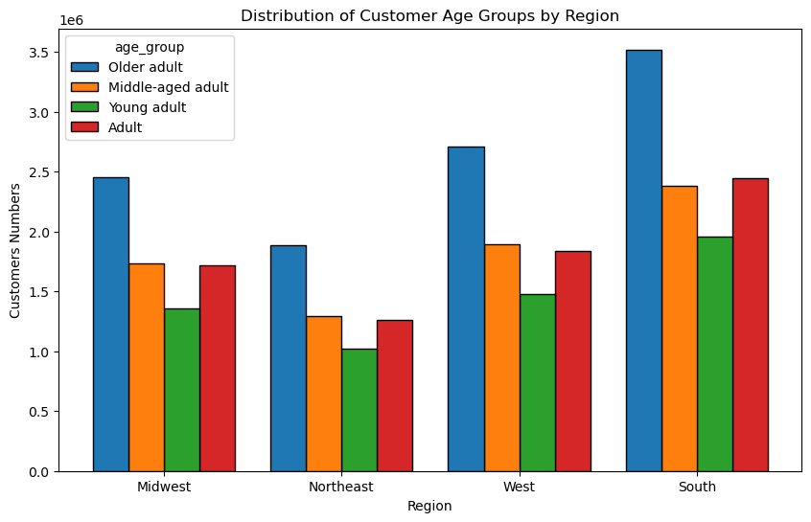

 | Question 7:
 | Is there a connection between age and family status and ordering habits?

 | Commentary
 | Most loyal customers are older adult, married, and have dependants.
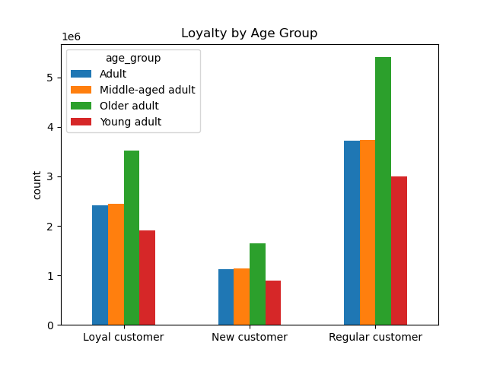

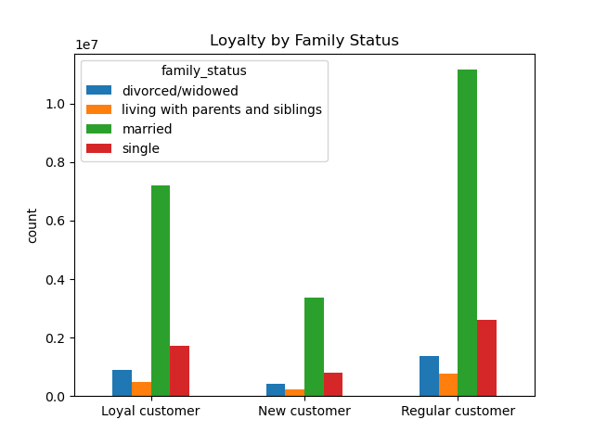
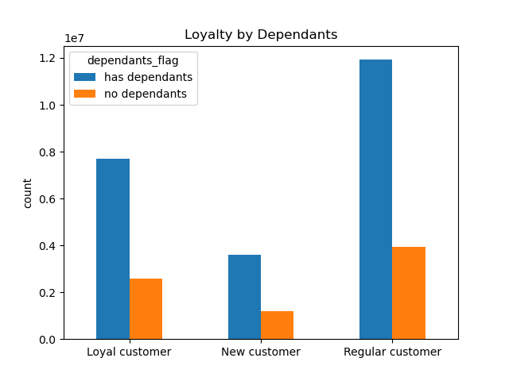

 | Question 8:
 | What different classifications does the demographic information suggest? Age? Income? Certain types of goods? Family status??

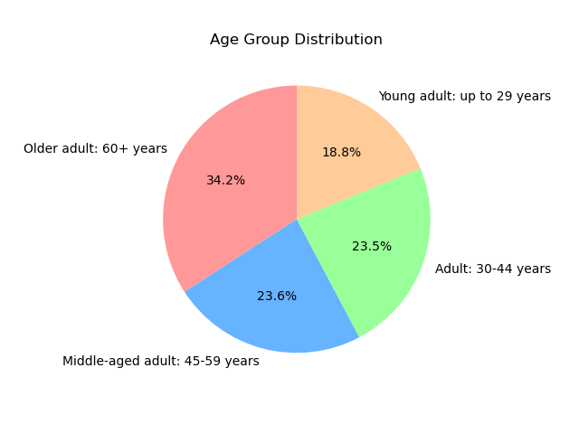
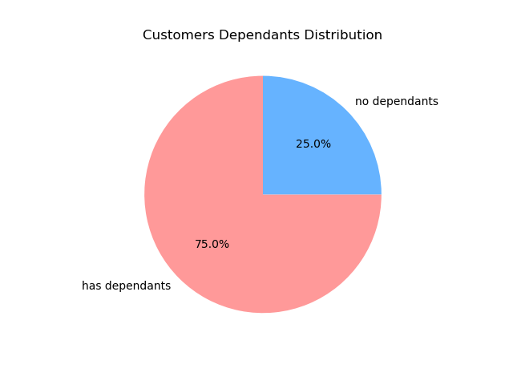

 |  |  | Most customers are Older adult or Middle-aged, and have dependants.

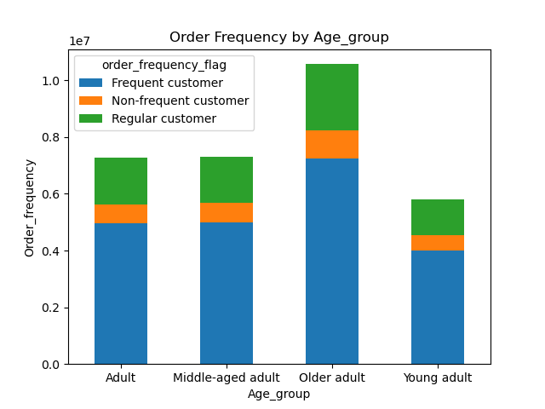
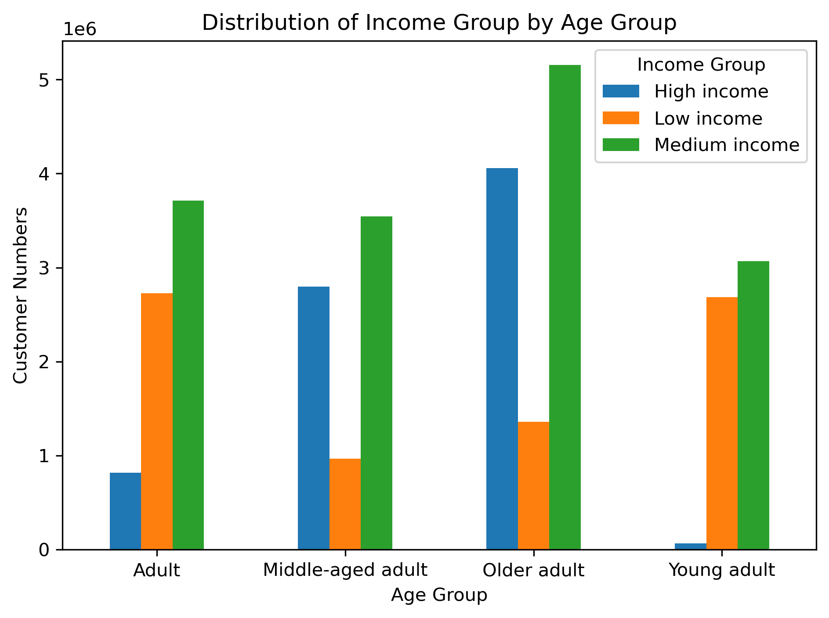

 |  | In all age groups, there are more number of frequent customers |  | In 'Older adult' and 'Middle-aged adult' Age Groups, there are more number of High and Medium Income Customers,
 |  |  |  | which means that as the age increases, the income also increases. Conversely, in 'Young adult' and 'Adult' Age groups,
 |  |  |  | there are more number of Medium and Low income Group Customers, fewer High income Groups.

7. Recommendations
 |  |  | Title page

Recommendations

Question | Answer | Recommendations
What are the busiest days of the week and hours of the day? | Saturday and Sunday are the busiest day of the week. Tuesday and Wednesday are the least busy days of the week. The rush hours of the day is from 9:00 to 17:00. | Since the middle of the week tends to be the least busy, implement sales and promotions specifically for those days to boost sales activity.
Are there particular times of day when people spend the most money? | Sales are higher in the early morning, but there is a dip between 9:00 and 10:00. | Instacart should schedule ads during the times 6 am to 8 am and 5pm to 10 pm. Scheduling it earlier than 6 am and later than 10 pm will not be beneficial as people might not be awake.
Are there certain products that are more popular than others? | The bar chart shows the best seller products come from produce. The next most ordered from departments are dairy/eggs, snacks, beverages, and frozen. | Promotions and discounts on popular categories like Produce and Dairy could encourage customers to place orders more frequently. Similarly, targeted deals on less popular categories such as International, Alcohol, and Bulk items may help stimulate interest and increase sales in those departments.
Are there differences in ordering habits based on loyalty status? | Obviously, most customers are considered to be low spenders. Regular and loyal customers contribute more to sales. Most customers are older adult (45-59 years). | Instacart should focus on converting new customers into regular or loyal customers with welcome promotions and incentivize regular customers with discounts to boost loyalty.
Are there differences in ordering habits based on region? | Total Product Orders are more in south and west regions, may be due to high population. More customers have dependants in all regions than customers without dependants. Married People contribute to the maximun number of cutomers in all regions. Medium Income group contributes to the maximun number of customers across all regions. Older Adult group contributes to the maximun number of customers across all regions | Instacart should prioritize advertising in the South while also targeting growth opportunities in the West and Midwest.
What is the distribution among users as to how often they return to Instacart? Is there a connection between age and family status and ordering habits? What different classifications does the demographic information suggest? Age? Income? Certain types of goods? Family status?? | Most loyal customers are older adult, married, and have dependants. In all age groups, there are more number of frequent customers. In 'Older adult' and 'Middle-aged adult' Age Groups, there are more number of High and Medium Income Customers, which means that as the age increases, the income also increases. Conversely, in 'Young adult' and 'Adult' Age groups, there are more number of Medium and Low income Group Customers, fewer High income Groups. | Focus a significant portion of coupons and discounts on family essentials like dinner staples, breakfast items, and lunchbox-friendly products to appeal to busy households. For high-income customers over 45, consider promoting premium or luxury products to cater to their preferences and spending habits.
What differences can you find in ordering habits of different customer profiles? Consider the price of orders, the frequency of orders, the products customers are ordering. | The key demographic for those using Instacart are older adult and middle-aged adult, who are medium and high income parents. This makes sense as they would be the larger holdholds that would consume more products. | 1. Target High-Income Seniors: Focus on high-income senior customers across all regions with tailored loyalty programs, premium offerings, and exclusive deals, as they consistently exhibit high spending in grocery categories. 2. Develop Regional Campaigns: Create localized marketing strategies emphasizing high-income and senior profiles in the South and West. For underrepresented regions, introduce new products and regional promotions to grow the customer base. 3. Support Small Families: Offer meal kits, bulk buying options, or subscription services to appeal to small families and increase their order frequency and basket size. 4. Partner with Stores: Collaborate with retail partners to provide in-store discounts or free items for customers using Instacart, incentivizing them to choose delivery over in-store shopping and competing platforms. 5. Promote Underperforming Categories: Boost visibility for less popular departments like "Personal Care" and "Pets & Babies" through targeted promotions and products designed for niche customer segments, especially low-income groups.

